FILA KIDS
FILA KIDS
PHOTOS | REF | CAT | PRODUCT | GENDER | SIZES RANGE | ROOT | DESCR | COL | COLORS | ASST | EAN | QTY | RETAIL | TOTAL
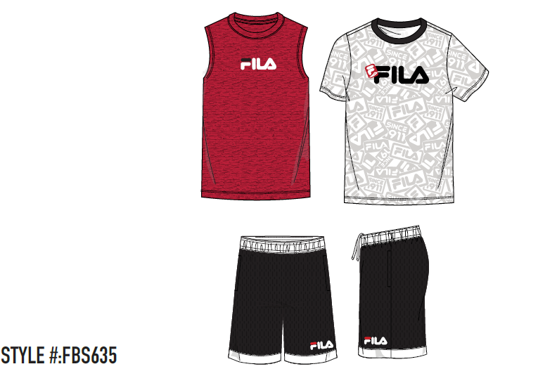 | FBS635 | 3 PC SET | HOODIE/TEE/JOGGER | BOYS | 2-7 BOYS | 635 | FILA KIDS 3PC SET | E3A | WHITE SIZE 2 | [2T]:56 | 888393372955 | 112 | $19.99 | $2,238.88
 |  |  |  |  |  |  |  | E3B | WHITE SIZE 3 | [3T]:56 | 888393372962 | 168 | $19.99 | $3,358.32
 |  |  |  |  |  |  |  | E3C | WHITE SIZE 4 | [4T]:56 | 888393372979 | 224 | $19.99 | $4,477.76
 |  |  |  |  |  |  |  | E3D | WHITE SIZE 5 | [5]:56 | 888393372986 | 392 | $19.99 | $7,836.08
 |  |  |  |  |  |  |  | E3E | WHITE SIZE 6 | [6]:56 | 888393372993 | 392 | $19.99 | $7,836.08
 |  |  |  |  |  |  |  | WH7 | WHITE SIZE 7 | [7]:56 | 888393373006 | 504 | $19.99 | $10,074.96
 |  |  |  |  |  |  |  | WH8 | WHITE SIZE 8 | [8B]:56 | 888393373013 | 952 | $19.99 | $19,030.48
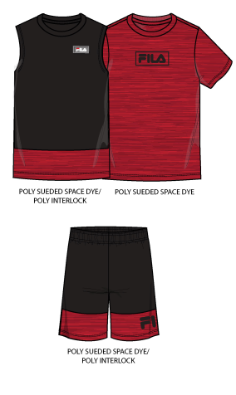 | 575500 | 3 PC SET | HOODIE/TEE/JOGGER | BOYS | 8-20 BOYS | 500 | FILA KIDS 3PC SET | AS2 | ASSORTED AS2 | [2T]:4 | [3T]:4 | [4T]:5 | [5]:4 | [6]:5 | [7]:6 | [8B]:8 | 888393439160 | 1,152 | $19.99 | $23,028.48
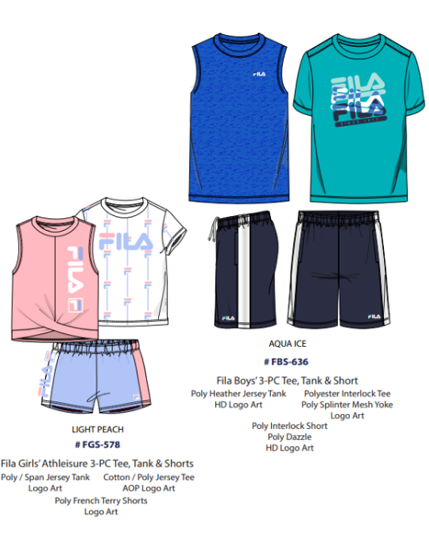 | 575500 | 3 PC SET | HOODIE/TEE/JOGGER | BOYS | 8-20 BOYS | 500 | FILA KIDS 3PC SET | AST | ASSORTED AST | [2T]:4 | [3T]:4 | [4T]:5 | [5]:4 | [6]:5 | [7]:5 | [8B]:9 | 888393373181 | 1,116 | $19.99 | $22,308.84
 |  |  |  |  |  |  |  | AS1 |  | [2T]:4 | [3T]:4 | [4T]:5 | [5]:4 | [6]:5 | [7]:5 | [8B]:9 | 888393373266 | 720 | $19.99 | $14,392.80
 |  |  |  |  |  |  |  | AST |  | [2T]:4 | [3T]:4 | [4T]:5 | [5]:4 | [6]:5 | [7]:5 | [8B]:9 | 888393373181 | 540 | $19.99 | $10,794.60
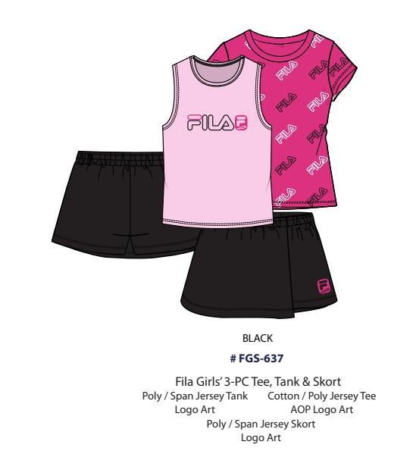 | FGS637 | 3 PC SET | HOODIE/TEE/JOGGER | BOYS | 8-20 BOYS | 637 | FILA KIDS 3PC SET | BLK | BLACK | [2T]:2 | [3T]:2 | [4T]:2 | [5]:2 | [6]:2 | [7]:2 | [8B]:4 | 888393373105 | 504 | $19.99 | $10,074.96
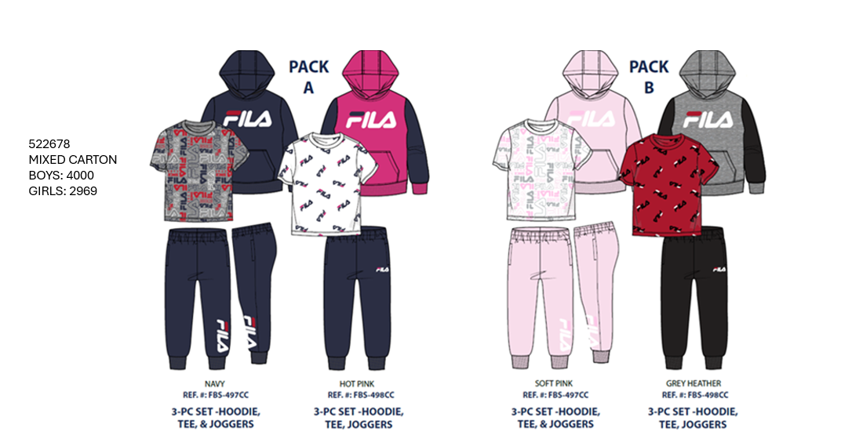 | FBS497 | 3 PC SET | HOODIE/SS TEE/PANT | BOYS | 2-7 BOYS | 497 | FILA KIDS 3PC FLEECE SET | N2T | NAVY 2T | [2T]:24 | 888393339316 | 26 | $19.99 | $519.74
 |  |  |  |  |  |  |  | N4T | NAVY 4T | [4T]:24 | 888393339330 | 4 | $19.99 | $79.96
 |  |  |  |  |  |  |  | NY0 | NAVY 8 | [8B]:24 | 888393339279 | 108 | $19.99 | $2,158.92
 |  |  |  |  |  |  |  | NY5 | NAVY 5 | [5]:24 | 888393339286 | 12 | $19.99 | $239.88
 |  |  |  |  |  |  |  | NY6 | NAVY 6 | [6]:24 | 888393339293 | 60 | $19.99 | $1,199.40
 |  |  |  |  |  |  |  | NY7 | NAVY 7 | [7]:24 | 888393339309 | 52 | $19.99 | $1,039.48
 |  |  |  |  |  |  |  | P08 | PINK 8 | [8B]:24 | 888393339392 | 96 | $19.99 | $1,919.04
 |  |  |  |  |  |  |  | P68 | PINK 6 | [6]:24 | 888393339415 | 16 | $19.99 | $319.84
 |  |  |  |  |  |  |  | PK3 | PINK 3T | [3T]:24 | 888393339361 | 40 | $19.99 | $799.60
 |  |  |  |  |  |  |  | PK4 | PINK 4T | [4T]:24 | 888393339378 | 56 | $19.99 | $1,119.44
 |  |  |  |  |  |  |  | PN7 | PINK 7 | [7]:24 | 888393339385 | 72 | $19.99 | $1,439.28
 | FBS498 |  |  |  | 2-7 BOYS | 498 |  | 6GH | GREY HEATHER SZ5 | [5]:24 | 888393467941 | 40 | $19.99 | $799.60
 |  |  |  |  |  |  |  | 7GH | GREY HEATHER SZ2 | [2T]:24 | 888393341746 | 16 | $19.99 | $319.84
 |  |  |  |  |  |  |  | G7H | GREY HEATHER SZ6 | [6]:24 | 888393467934 | 72 | $19.99 | $1,439.28
 |  |  |  |  |  |  |  | GH0 | GREY HEATHER 4 | [4T]:24 | 888393467910 | 40 | $19.99 | $799.60
 |  |  |  |  |  |  |  | GH8 | GREY HEATHER 7 | [7]:24 | 888393467927 | 72 | $19.99 | $1,439.28
 |  |  |  |  |  |  |  | HP3 | HOT PINK 3T | [3T]:24 | 888393341821 | 12 | $19.99 | $239.88
 |  |  |  |  |  |  |  | HP4 | HOT PINK 4T | [4T]:24 | 888393341838 | 36 | $19.99 | $719.64
 |  |  |  |  |  |  |  | HP6 | HOT PINK 6 | [6]:24 | 888393341852 | 4 | $19.99 | $79.96
 |  |  |  |  |  |  |  | HRD | HOT PINK 7 | [7]:24 | 888393341869 | 52 | $19.99 | $1,039.48
 |  |  |  |  |  |  |  | HRF | HOT PINK 8 | [8B]:24 | 888393341876 | 76 | $19.99 | $1,519.24
 |  |  |  |  |  |  |  | WQP | GREY HEATHER 8 | [8B]:24 | 888393341807 | 128 | $19.99 | $2,558.72
 | 522678 |  |  |  | 2-8 KIDS | 678 |  | AST | ASSORTED AST | [2T]:2 | [3T]:3 | [4T]:3 | [5]:4 | [6]:4 | [7]:3 | [8B]:5 | 888393339583 | 6,969 | $19.99 | $139,310.31
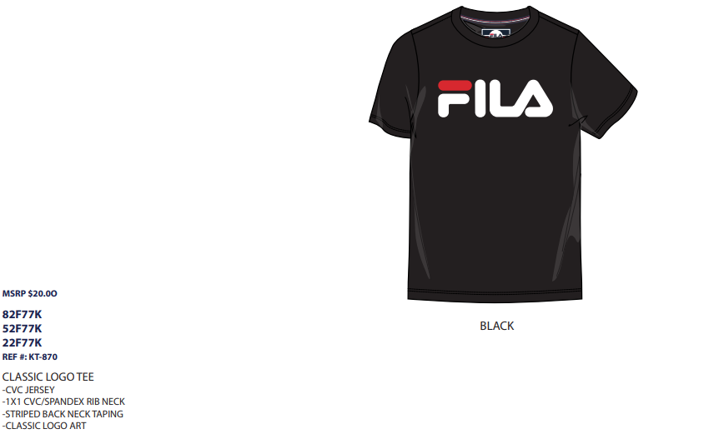 | 82F77K | TEE | SS | BOYS | 8-20 BOYS | 77K | HERITAGE CLASSIC LOGO TEE | BLK | BLACK | [S]:1 | [M]:3 | [L]:3 | [XL]:1 | 888393199996 | 16 | $25.00 | $400.00
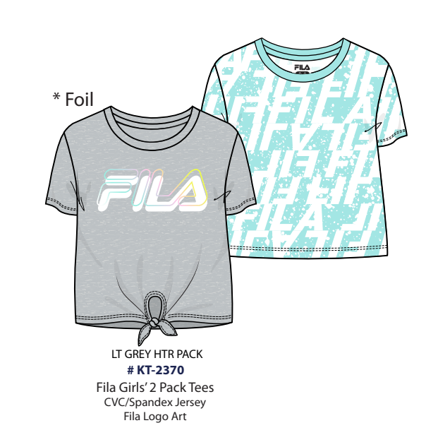 | 574953 | 2 PACK | SS TEE/SS TEE | GIRLS | 7-16 GIRLS | 953 | GIRLS 2 PACK TEES | ²²+G38+B+C38:P39 | ASSORTED AS2 | [S]:4 | [M]:6 | [L]:8 | [XL]:6 | 888393371989 | 48 | $24.99 | $1,199.52
 | KT2370 |  |  |  |  | 370 | GIRLS 2 PACK TEES GREY/MINT | GLE | GREY LARGE | [L]:24 | 888393371880 | 120 | $24.99 | $2,998.80
TOTAL FILA KIDS |  |  |  |  |  |  |  |  |  |  |  | 15,019 | $20.05 | $301,149.97

